BASE BID
 | ATTACHMENT "A" |  |  |  | 2026-04-07

 | City of Huntsville
 | Chase Trunkline Rehabilitation
 | Project No. 71-26-SP07

 | BASE BID
Item # | Description | BID QTY | BID UNIT | UNIT PRICE | BID AMOUNT
 | All prices include the removal and disposal, including hauling of soil and materials and possible 24-hour notification.
1 | CONTRACT MOBILIZATION | 1 | LS |  | $0.00

2 | PIPE BURSTING - INSTALL 24" HDPE PIPE REPLACING EXISTING 24"-27" PIPE (MATERIAL AND INSTALLATION) | 6,700 | LF |  | $0.00

3 | 48" INSIDE DIAMETER MANHOLE REHAB, 10'-12' DEPTH | 12 | EA |  | $0.00

4 | 48" INSIDE DIAMETER MANHOLE REHAB, 12'-15' DEPTH | 7 | EA |  | $0.00

5 | NEW PIPE CONNECTION TO EXISTING MANHOLE, INCLUDING LATERAL | 34 | EA |  | $0.00

6 | FORM AND POUR CONCRETE MANHOLE INVERT | 34 | EA |  | $0.00

 | TOTAL BASE BID PRICE (For evaluation purposes only.): Basis of payment will be determined by multiplying the measured in-place quantities determined in the field by the contract bid unit prices. |  |  |  | $0.00

 | Alternate No. 1 (Open Cut)
2-1 | 24" DUCTILE IRON PIPE, 8'-10' DEPTH | 100 | LF |  | $0.00

2-2 | 24" DUCTILE IRON PIPE, 10'-12' DEPTH | 5,000 | LF |  | $0.00

2-3 | 24" DUCTILE IRON PIPE, 12'-15' DEPTH | 1,600 | LF |  | $0.00

3-1 | REPLACE 48" INSIDE DIAMETER MANHOLE, 10'-12' DEPTH | 12 | EA |  | $0.00

4-1 | REPLACE 48" INSIDE DIAMETER MANHOLE, 12'-15' DEPTH | 7 | EA |  | $0.00

 | TOTAL Alternate No. 1 |  |  |  | $0.00

 | ALL ITEMS SHALL BE CONSIDERED IN-PLACE, PRICES SHALL INCLUDE ALL LABOR, EQUIPMENT, MATERIALS, AND REMOVALS AS REQUIRED FOR CONSTRUCTION OF THE REQUIRED WORK. | 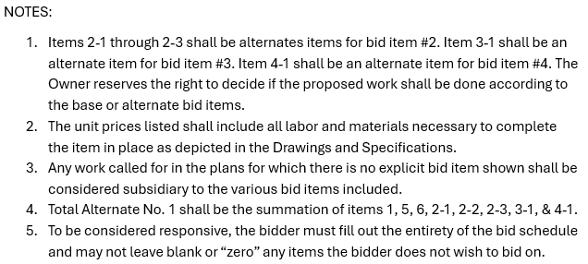

 | COMPANY __________________________
 | SIGNATURE __________________________
 | DATE __________________________

